Indices

 | Iraq Stock Exchange
 | Bulletin No (6)
 | ISX Trading Indices of Monday 12/1/2026

 | Traded Volume and OTC |  | 624,149,357 |  | Traded Value and OTC |  | 529,054,467 |  | Traders | 685

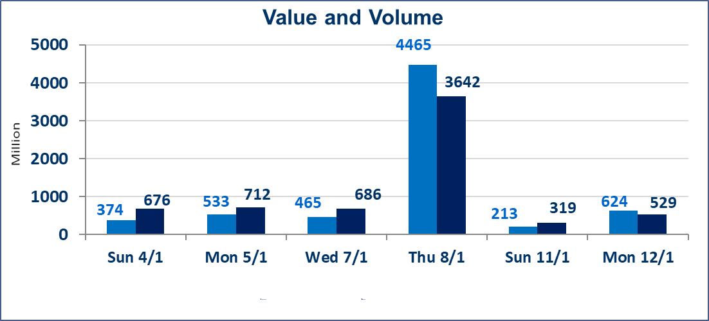
 | ISX Index 60 |  |  | 982.02 | ISX Index 15 |  |  | 1209.98
 | Previous ISX Index60 |  |  | 982.38 | Previous ISX Index15 |  |  | 1209.74
 | Change % |  |  | -0.04 | Change % |  |  | 0.02
 | Change |  |  | -0.36 | Change |  |  | 0.24

 | Listed Companies | 104 | OTC | 14 | Non Traded listed | 43 | OTC | 13
 | Traded Listed Companies | 45 | OTC | 1 | Higher Companies |  |  | 9
 | GAM Companies |  |  | 6 | Lower Companies |  |  | 19
 | Suspended Companies |  |  | 10
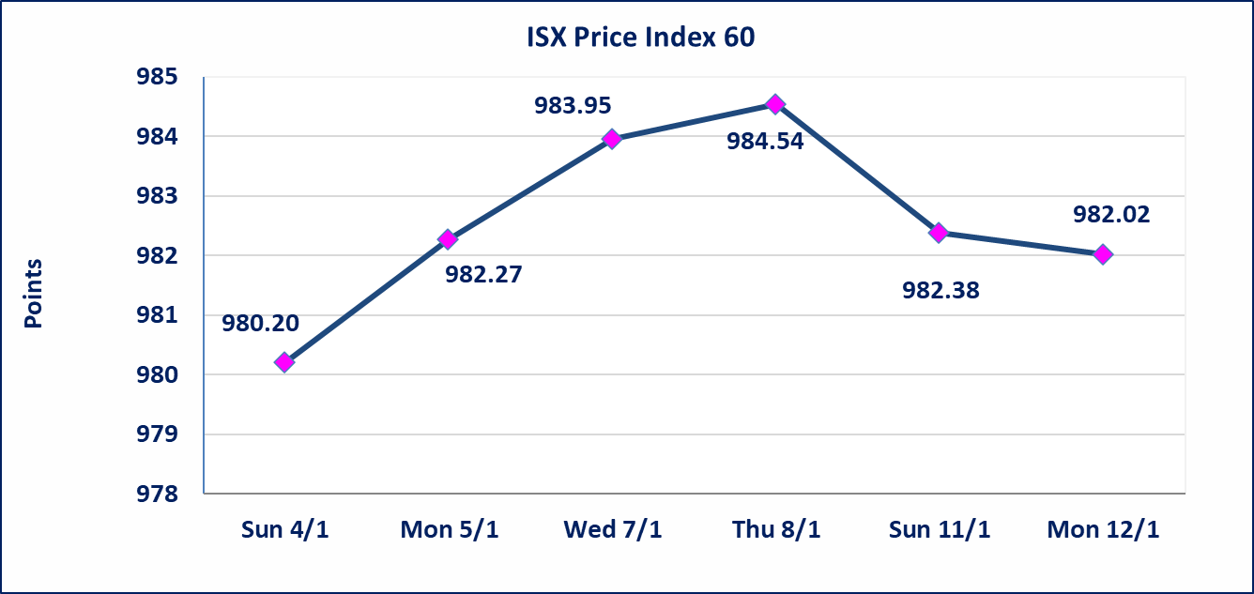
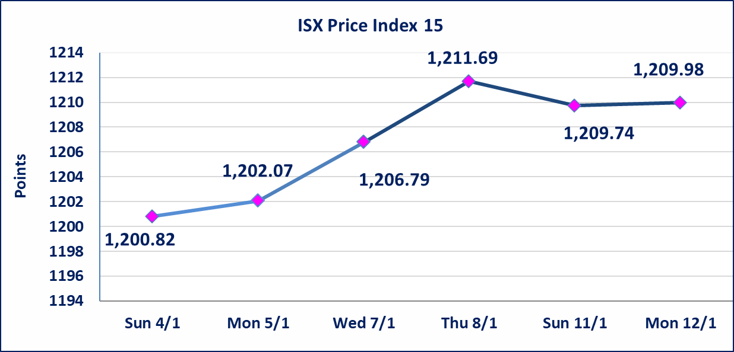

Al-Alwiya P.O . 3607 Mobile: 07711211522 - 07270094594 - 07834000034 E-mail: info-isx@isx-iq.net Web site:www.isx-iq.net

Top 5
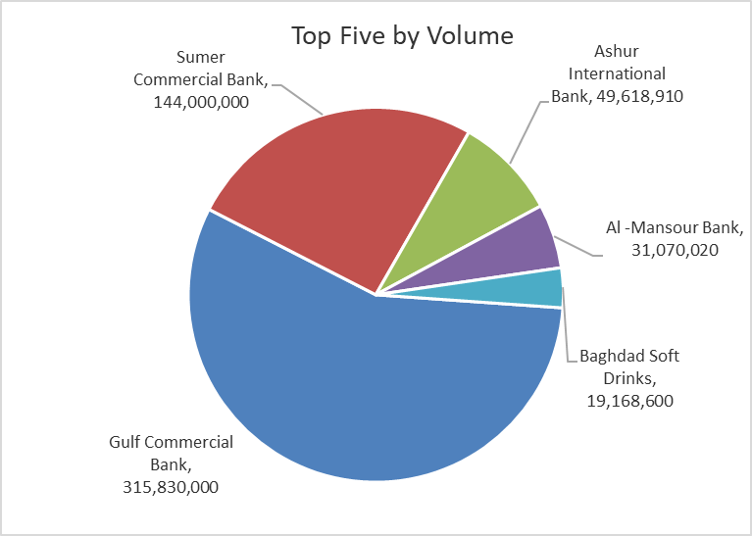
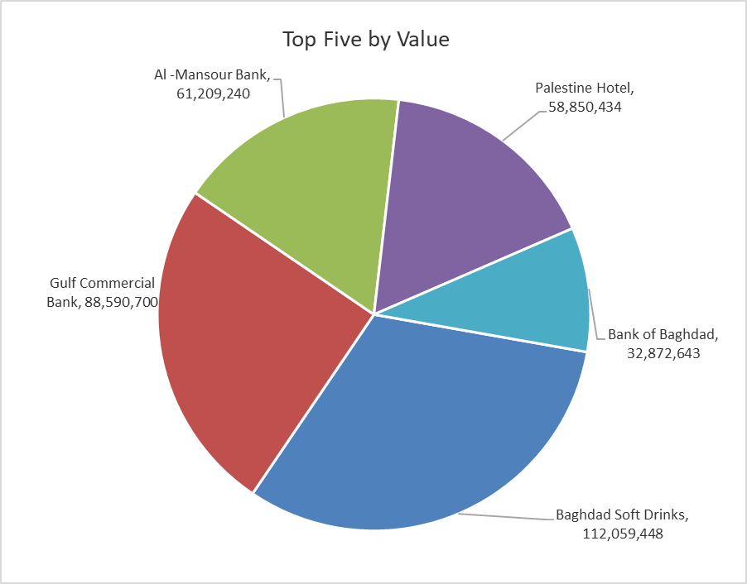

ISX top ganing and losing companies
Monday 12/1/2026
 | Gainers |  |  |  | Losers
 | Company Name | Closing Price | Change (%) | Traded Volume | Company Name | Closing Price | Change (%) | Traded Volume
 | Iraq Noor Islamic Bank for Investment | 0.250 | 19.05 | 650,994 | Al-Ameen Estate Investment | 2.100 | -8.70 | 2,276,007
 | Babil Animal & Vegetable Production | 9.300 | 13.97 | 411,538 | Iraqi Carton Manufactories | 1.700 | -8.60 | 2,757,311
 | Trans Iraq Bank Investment | 0.240 | 9.09 | 107,387 | Kharkh Tour Amuzement City | 4.000 | -6.98 | 1,741,377
 | Al-Ameen for Insurance | 0.950 | 5.56 | 15,192 | Sumer Commercial Bank | 0.140 | -6.67 | 144,000,000
 | Modern Construction Materials | 1.050 | 5.00 | 950,000 | Fallujah for construction Materials | 3.000 | -2.28 | 1,634,342
 | The most active companies in term of traded volume and value

 | Traded Volume |  |  |  | Traded Value
 | Company Name | Closing Price | Change (%) | Traded Volume | Company Name | Closing Price | Change (%) | Traded Value
 | Gulf Commercial Bank | 0.290 | 0.00 | 315,830,000 | Baghdad Soft Drinks | 5.850 | 1.04 | 112,059,448
 | Sumer Commercial Bank | 0.140 | -6.67 | 144,000,000 | Gulf Commercial Bank | 0.290 | 0.00 | 88,590,700
 | Ashur International Bank | 0.300 | 0.00 | 49,618,910 | Al -Mansour Bank | 1.970 | -0.51 | 61,209,240
 | Al -Mansour Bank | 1.970 | -0.51 | 31,070,020 | Palestine Hotel | 26.460 | 0.00 | 58,850,434
 | Baghdad Soft Drinks | 5.850 | 1.04 | 19,168,600 | Bank of Baghdad | 3.410 | -0.29 | 32,872,643

Non Iraqis

Iraq Stock Exchange
Non Iraqis' Bulletin Monday Jan 12 2026
Regular Market

Non Iraqi Trading of Regular Market (Sell)
Company Names | Code | No.of trades | Traded Shares | Trading Volume
Industry Sector
Baghdad Soft Drinks | IBSD | 6 | 1,397,024 | 8,120,680
Total Industry sector |  | 6 | 1,397,024 | 8,120,680
Grand Total |  | 6 | 1,397,024 | 8,120,680

